QUOTATION
HONG BAO CO.,LTD.
Room 801-2, 8/F., Easey Commercial Building, 253-261 Hennessy Road, Wanchai, Hong Kong
PROFORMA INVOICE

CUSTOMER: |  |  |  |  |  |  |  | DATE: | 2025-11-11
ADDRESS: |  |  |  |  |  |  |  | INVOICE NO.: | HBO 5887-7

ITEM NO. | PHOTO | DESCRIPTION | PACKAGE | PACKING REFERENCE | ESTIMATED TOTAL G.W. (KG) | ESTIMATED TOTAL CBM | QUANTTIY (UNIT) | FOB QINGDAO UNIT PRICE PER UNIT | TOTAL AMOUNT
VTDD-35 | 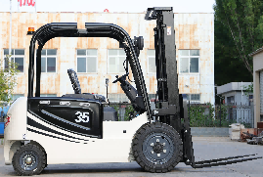 | electric forklift including charger Lead Acid Battery Load: 3.5 tons Lift height: 3 meters Electronic hydraulic Automatic transmission cast iron counterweight 3 stages 4.5 meter mast Pneumatic tires Reverse buzzer working light rearview irrors toolbox battery service life: 3--4 years warranty: 1 year | Bubble wrap & wrapping film Packing size: 2700*1250*2200mm | 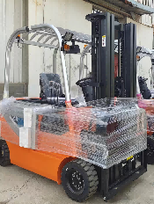 | 4600 | 7.43 | 1 | $10,558.00 | $10,558.00

 |  | side shift fuction |  |  |  |  |  |  | $299.00
 |  | Voltage Transformer (110V, 50/6Hz) |  |  |  |  |  |  | $483.00
 |  | SPARE PART | lifting cylinder repair kit |  |  |  | 1 | $21.00 | $21.00
 |  | SPARE PART | tilt cylinder repair kit |  |  |  | 1 | $18.00 | $18.00
DCQY10-1.8 |  | Foldable mobile boarding ramp 1, Rated Capacity:10T 2, Length: 11200mm 3, Width: 2100mm 4, Folded size: 5500x2100x1850mm 5, Adjust Range:1100- 1800mm 6, Initial Height: 1100mm 7, Own weight:2500KG 8, Manual style warranty: 1 year | size: 5.5x2.1x1.85m (NAKED PACKING) | 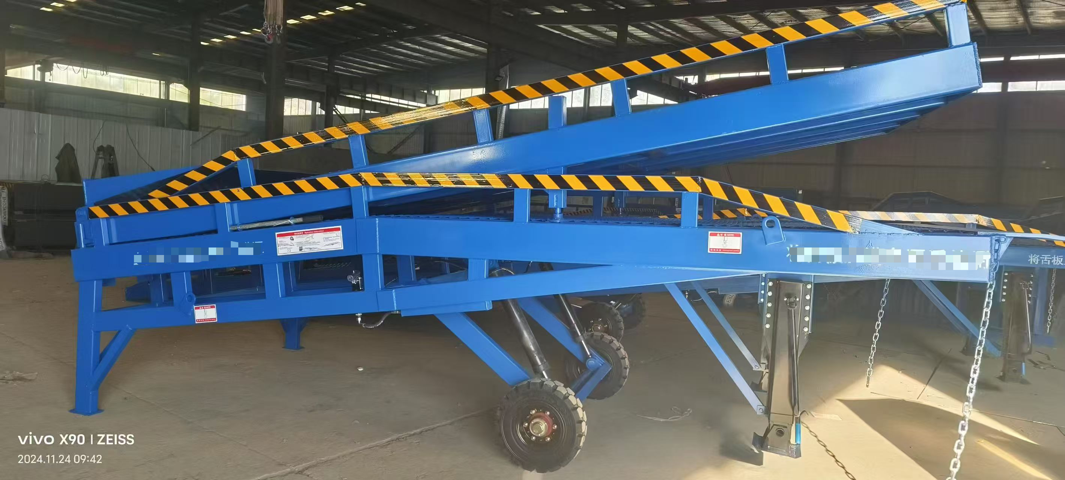 | 2500 | 21.37 | 1 | $4,050.00 | $4,050.00
CONSOLIDATE COST IN QINGDAO |  |  |  |  |  |  |  |  | $150.00
OCEAN FREIGHT FOR 40HQ (Not include Dthc) Port of loading : Qingdao Port of discharge : Manzanillo, Panama Carrier:YML ETD:25.Nov ETA:30.Dec Free Time:21Days Valid:25.Nov |  |  |  |  |  |  |  |  | $2,500.00
TOTAL 1 X 40HQ CONTAINER |  |  |  |  | 7100 | 28.8 | 4 |  | $18,079.00
30% T/T AS ADVANCE PAYMENT |  |  |  |  |  |  |  |  | $5,423.70
70% T/T BALANCE NEED TO PAY BEFORE LOADING |  |  |  |  |  |  |  |  | $12,655.30

CONDITIONS:
1. TERM OF PAYMENT: 30% T/T AS ADVANCE PAYMENT, 70% T/T BALANCE PAYMENT BEFORE LOADING
2. LOADING PORT: QINGDAO, CHINA
3. DELIVERY TIME : AROUND 35--40 DAYS AFTER ADVANCE PAYMENT
4. PRICE IS VALID WITHIN 7 DAYS;
5. ALL CARGO WILL BE CONSOLIDATED IN THE FACTORY

BANK INFORMATION:
BENEFICIARY BANK: CHINA CITIC BANK INTERNATIONAL LIMITED
SWIFT CODE: KWHKHKHH
BANK CODE :018
COUNTRY: HONG KONG – CHINA
BANK ADRESS: 61-65 DES VOEUX ROAD CENTRAL, HONG KONG
ACCOUNT NO.: 744-117437601
BENEFICIARY NAME: HONG BAO COMPANY LIMITED
ADRESS: ROOM 801-2.8/F EASEY COMMERCIAL BUILDING, 253-261,HENNESSY ROAD, WANCHAI HONG KONG-CHINA

